Sheet2
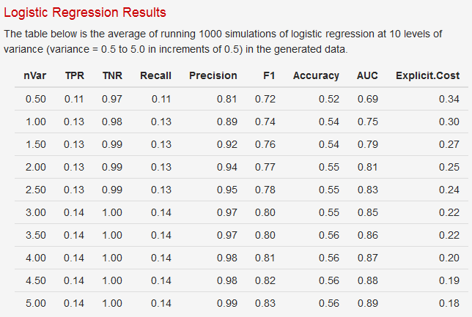
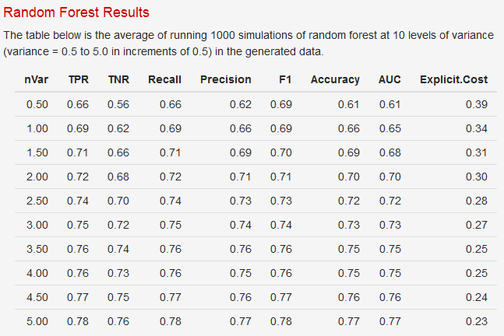
Precision-recall F measure (van Rijsbergen, 1979). Weighted harmonic mean of precision (P) and recall (R). F = 1/ (alpha*1/P + (1-alpha)*1/R). If alpha=1/2, the mean is balanced. A frequent equivalent formulation is F = (beta^2+1) * P * R / (R + beta^2 * P). In this formulation, the mean is balanced if beta=1. Currently, ROCR only accepts the alpha version as input (e.g. alpha=0.5). If no value for alpha is given, the mean will be balanced by default.

0.19369565217

